Worksheet
 | Product code | EAN | Description | Quantity | Packed
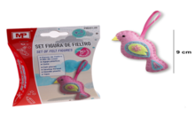 | PM251-28 | 8435464128922 | felt set - educational toy, pink bird, complete set for making felt toys yourself, contains additional beads, filling, thread and plastic needle, packed in a box of 15 x 11 cm, for children over 4 years old | 1440 | 144
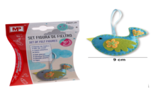 | PM251-29 | 8435464128939 | felt set - educational toy, blue bird, complete set for making felt toys yourself, contains additional beads, filling, thread and plastic needle, packed in a box of 15 x 11 cm, for children over 4 years old | 1440 | 144
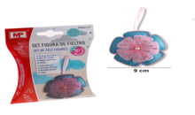 | PM251-31 | 8435464128953 | felt set - educational toy, blue and pink flower, complete set for making felt toys yourself, contains additional beads, filling, thread and plastic needle, packed in a box of 15 x 11 cm, for children over 4 years old | 1440 | 144
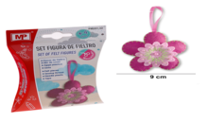 | PM251-32 | 8435464128960 | felt set - educational toy, pink flower, complete set for making felt toys yourself, contains additional beads, filling, thread and plastic needle, packed in a box of 15 x 11 cm, for children over 4 years old | 1440 | 144
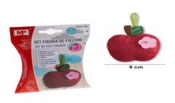 | PM251-40 | 8435464129042 | felt set - educational toy, apple, complete set for making felt toys yourself, contains additional beads, filling, thread and plastic needle, packed in a box of 15 x 11 cm, for children over 4 years old | 1440 | 144
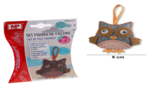 | PM251-21 | 8435464128854 | felt set - educational toy, owl, complete set for making felt toys yourself, contains additional beads, filling, thread and plastic needle, packed in a box of 15 x 11 cm, for children over 4 years old | 1208 | 144
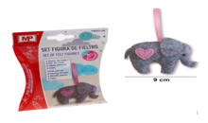 | PM251-06 | 8435464128700 | felt set - educational toy, elephant, complete set for making felt toys yourself, contains additional beads, filling, thread and plastic needle, packed in a box of 15 x 11 cm, for children over 4 years old | 994 | 144
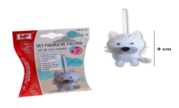 | PM251-18 | 8435464128823 | felt set - educational toy, white dog, complete set for making felt toys yourself, contains additional beads, filling, thread and plastic needle, packed in a box of 15 x 11 cm, for children over 4 years old | 1440 | 144
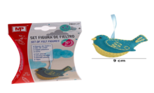 | PM251-27 | 8435464128915 | felt set - educational toy, turquoise bird, complete set for making felt toys yourself, contains additional beads, filling, thread and plastic needle, packed in a box of 15 x 11 cm, for children over 4 years old | 1440 | 144
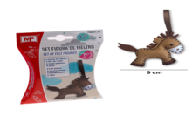 | PM251-13 | 8435464128779 | felt set - educational toy, horse, complete set for making felt toys yourself, contains additional beads, filling, thread and plastic needle, packed in a box of 15 x 11 cm, for children over 4 years old | 1091 | 144
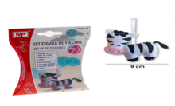 | PM-251-14 | 8435464128786 | felt set - educational toy, zebra, complete set for making felt toys yourself, contains additional beads, filling, thread and plastic needle, packed in a box of 15 x 11 cm, for children over 4 years old | 1870 | 144
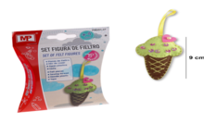 | PM251-37 | 8435464129011 | felt set - educational toy, cone ice, complete set for making felt toys yourself, contains additional beads, filling, thread and plastic needle, packed in a box of 15 x 11 cm, for children over 4 years old | 2880 | 144
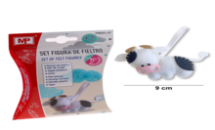 | PM251-15 | 8435464128793 | felt set - educational toy, cow, complete set for making felt toys yourself, contains additional beads, filling, thread and plastic needle, packed in a box of 15 x 11 cm, for children over 4 years old | 1440 | 144
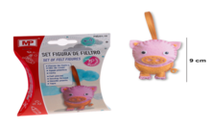 | PM251-16 | 8435464128809 | felt set - educational toy, pig, complete set for making felt toys yourself, contains additional beads, filling, thread and plastic needle, packed in a box of 15 x 11 cm, for children over 4 years old | 1440 | 144
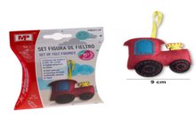 | PM251-45 | 8435464129097 | felt set - educational toy, tractor, complete set for making felt toys yourself, contains additional beads, filling, thread and plastic needle, packed in a box of 15 x 11 cm, for children over 4 years old | 1440 | 144
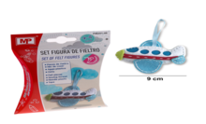 | PM251-46 | 8435464129103 | felt set - educational toy, airplane, complete set for making felt toys yourself, contains additional beads, filling, thread and plastic needle, packed in a box of 15 x 11 cm, for children over 4 years old | 1440 | 144
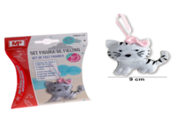 | PM251-19 | 8435464128830 | felt set - educational toy, white cat, complete set for making felt toys yourself, contains additional beads, filling, thread and plastic needle, packed in a box of 15 x 11 cm, for children over 4 years old | 1726 | 144
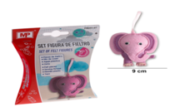 | PM251-07 | 8435464128717 | felt set - educational toy, pink elephant, complete set for making felt toys yourself, contains additional beads, filling, thread and plastic needle, packed in a box of 15 x 11 cm, for children over 4 years old | 1534 | 144
 |  |  |  | 27143

